Sheet1
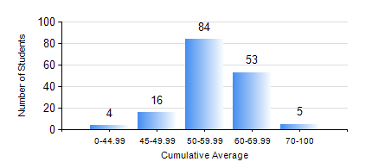
 |  |  | KWAME NKRUMAH UNIVERSITY OF SCIENCE AND TECHNOLOGY, KUMASI Department of Mechanical Engineering

 |  |  | BSC. MECHANICAL ENG.

 |  |  | COMPREHENSIVE RECORD OF EXAMINATION RESULTS

 |  |  | RESULTS OF YEAR 3 FIRST SEMESTER, 2018/2019 ACADEMIC YEAR

 | Sn | Course Code |  | Course Name | Credit Hours | Min. Mark | Max. Mark | Avg. Mark | Std. Dev. | No. Passed | No. Trailed | No. (Df) | No. (I) | No. (I*) | No. Tagged(I,I*,Df) | Total
 | 0. |  |  |  |  |  |  | 0 | 0 | 0 | 0 | 0 | 0 | 0 | 0 | 9
 | 1. | ECONS 151 |  | INTRODUCTION TO ECONOMICS I | 2 | 0 | 83 | 54 | 8.67 | 149 | 4 | 0 | 0 | 0 | 0 | 153
 | 2. | MATH 351 |  | NUMERICAL ANALYSIS | 2 | 0 | 79 | 57 | 10.8 | 146 | 7 | 0 | 0 | 0 | 0 | 153
 | 3. | MATH 353 |  | PROBABILITY AND STATISTICS | 2 | 0 | 84 | 66 | 9.89 | 151 | 2 | 0 | 0 | 0 | 0 | 153
 | 4. | ME 361 |  | DYNAMICS OF MACHINERY | 3 | 0 | 80 | 51 | 10.73 | 146 | 7 | 0 | 0 | 0 | 0 | 153
 | 5. | ME 363 |  | AUTOMATIC CONTROL I | 2 | 19 | 74 | 56 | 7.08 | 152 | 1 | 0 | 0 | 0 | 0 | 153
 | 6. | ME 365 |  | THERMODYNAMICS II | 3 | 20 | 72 | 48 | 8.06 | 148 | 5 | 0 | 0 | 0 | 0 | 153
 | 7. | ME 373 |  | MACHINE ELEMENTS DESIGN | 3 | 0 | 84 | 53 | 14.67 | 140 | 13 | 0 | 0 | 0 | 0 | 153
 | 8. | ME 395 |  | MECHANICAL ENGINEERING LAB. III | 1 | 20 | 72 | 56 | 10.45 | 147 | 6 | 0 | 0 | 0 | 0 | 153

